Job Details

Job Number & Name: | 35084 LB Bexley
Site Number/Name: | Site 13 - Lower Road
Client: | Waterman
Date: | 2023-03-30

Site Plan
Advanced Transport Research |  |  | Job Number & Name: | 35084 LB Bexley
Site 13 - Lower Road |  |  | Date: | 2023-03-30

Job Type: | Pedestrian & Vehicle Count
Co-ordinates: | 51°29'25.36"N, 0° 9'34.65"E | Postcode: | DA17 6AA |  | Times: | 0730-0930 1430-1630

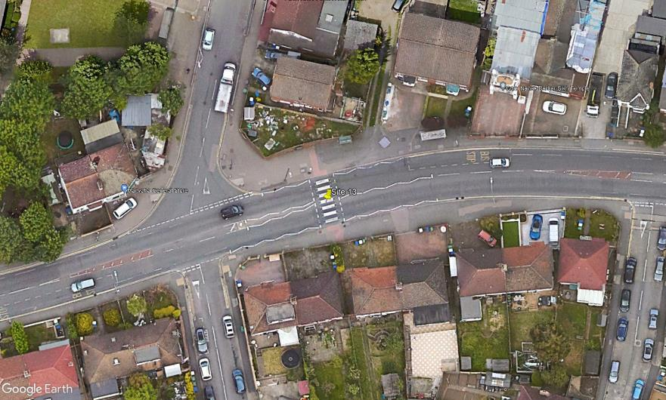
N

1

A
D
B

C

Lower Road
3
2

Poplar Mount

